Week 10 Macro Economic Data
Your Name: | Tiffany Gwyneth Tiono
Company Name and Ticker: | Colgate Palmolive & CL | Note: There are two tabs for Week 10

QUESTIONS | Answers (Provide data whenever possible)
What is your view of the current economic environment? (Where are we at in the cycle? Expansion, Peak, Recession or depression) Use data to support your opinion (analyst reports we reviewed in class is a good starting point) | In my point of view, the current economic environment is in nearly recession although there is required many factors to triggered the economy in the recession state. Accroding to Appendix A, the U.S. economy is firmly late-cycle as of 2019. Late cycle is decribed as an overheating stage for the economy when capacity becomes constrained, which leads to rising inflationary pressures. While rates of inflation are not always high, rising inflationary pressures and a tight labor market tend to crimp profit margins and lead to tighter monetary policy.
What is the current Forward P/E for the S&P 500? What is its historical average? What does that tell us? | The current Forward S&P 500 (Q3 2019) for the S&P 500 is in the 22.13 (Appendix B). The Forward P/E Y+1 shows that it will decline from its current level to the level of 18.18. This chart shows that the prediction of analysts means that they are expecting earnings to increase.
What is the current Forward P/E for the sector that your stock is in? What is its historical average? What does that tell us? | The current Forward Consumer sector (Q3 2019) for the S&P 500 is in the 19.18 (Appendix C). I don't find any data for the future Forward P/E Y+1. Without the comparison from the Forward Y+1, I can’t tell how the prediction for the future earnings. On the other hand, with the current Forward S&P 500 as a benchmark, the Consumer Staples sector is underperformed ( SPX Index: 22.13 vs. Consumer Sector Ratio: 19.18), which most likely that the companies in this sector unable to meet an expectation of the growth of earning per share (most likely not increasing the earnign per share.
 |  |  | `
Name three economic factors that impact the sector. What are they and how will they impact the sector? In your view, does the current data support a headwind or tailwind for your sector? | Three factors that affect the Consumer Staples are changing regulations, slowdown in emerging market, and unfavorable foreign exchange rate. Firstly, the changing regulations can be referred to the Trade War. The Trade War policy brings more costly for goods that go out and go in into the U.S. market because they give a certain barrier (import taxes and the other fees) to the foreign products. Secondly, the slowdown in emerging market most likely will give a huge impact to the costumer staples sector because a lot of companies in this sector mostly target their products in consumer spending. Finally, as the result from the uncertainty of global economy, the exchange rate are more unpredictable and can bring a big loss in the company that operates their companies in outside U.S.

Resources
Sample Research Reports - Provided on Blackbaord
Bloomberg - BI Screen
Google

Appendix A
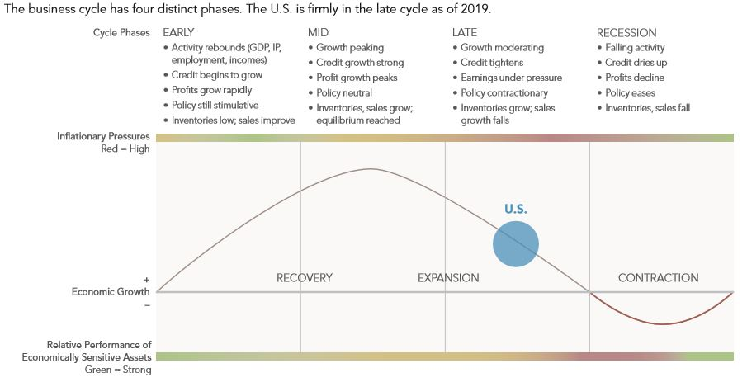

Source: Fidelity Investments

Appendix B

Source: Y-Chart

Appendix C
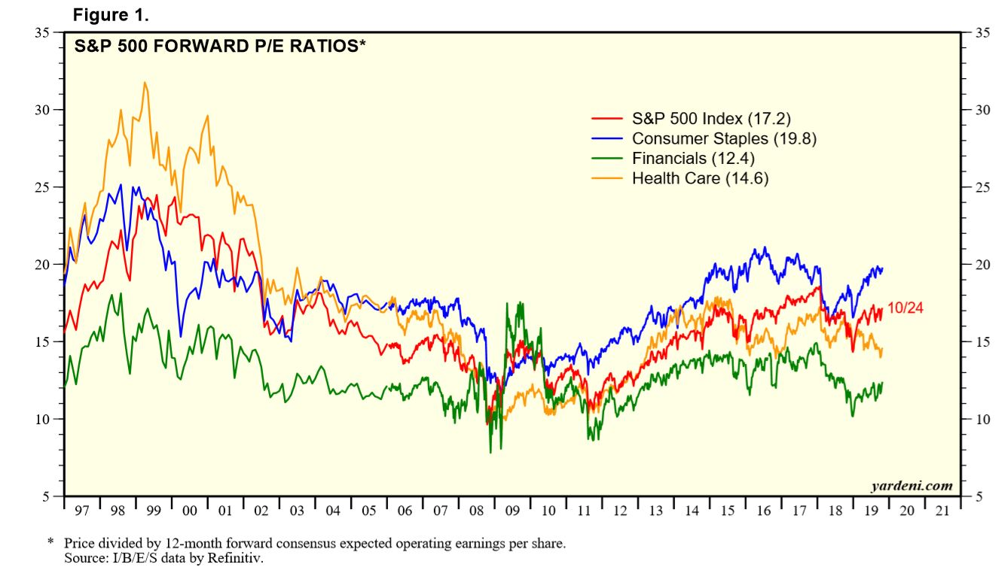

Source: https://www.yardeni.com/pub/mktbriefsppesecind.pdf

